da1
Buattlah Grafik Pertamamu!

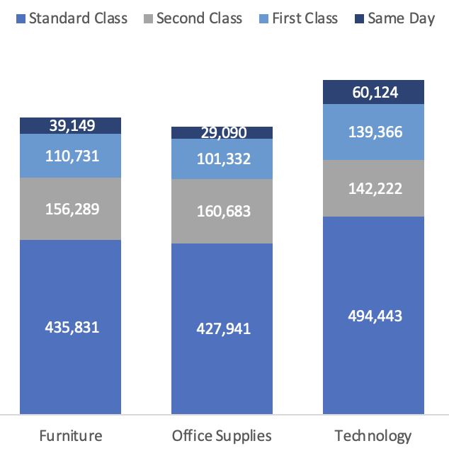
Berikut data yang dapat kamu gunakan untuk visualisasi

Ship Mode | Furniture | Office Supplies | Technology
Standard Class | 435,831 | 427,941 | 494,443
Second Class | 156,289 | 160,683 | 142,222
First Class | 110,731 | 101,332 | 139,366
Same Day | 39,149 | 29,090 | 60,124

da2
Buattlah Grafik Pertamamu!

Berikut data yang dapat kamu gunakan untuk visualisasi
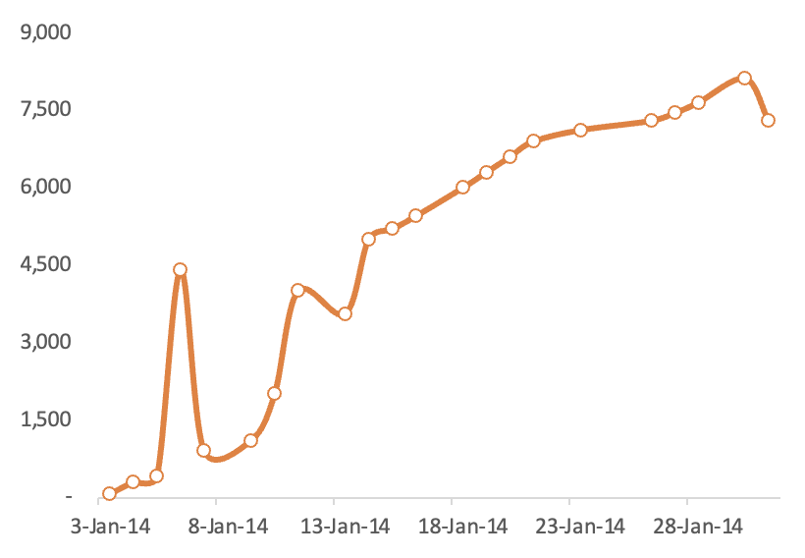
Period | Sales
3-Jan-14 | 95
4-Jan-14 | 288
5-Jan-14 | 400
6-Jan-14 | 4,407
7-Jan-14 | 900
9-Jan-14 | 1,100
10-Jan-14 | 2,000
11-Jan-14 | 4,000
13-Jan-14 | 3,554
14-Jan-14 | 5,000
15-Jan-14 | 5,200
16-Jan-14 | 5,450
18-Jan-14 | 6,000
19-Jan-14 | 6,300
20-Jan-14 | 6,600
21-Jan-14 | 6,900
23-Jan-14 | 7,120
26-Jan-14 | 7,300
27-Jan-14 | 7,450
28-Jan-14 | 7,650
30-Jan-14 | 8,120
31-Jan-14 | 7,300

da3
Buattlah Grafik Pertamamu!

Berikut data yang dapat kamu gunakan untuk visualisasi
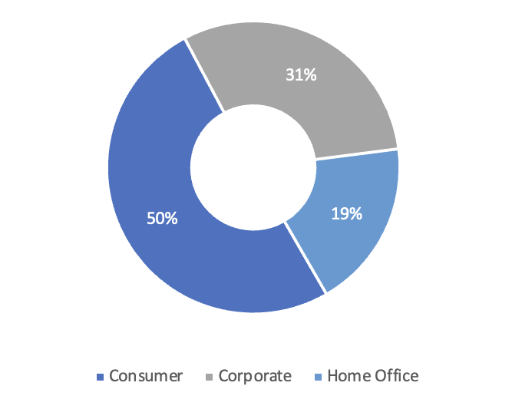
Ship Mode | Sales
Consumer | 1,161,401
Corporate | 706,146
Home Office | 429,653

